Screenshot
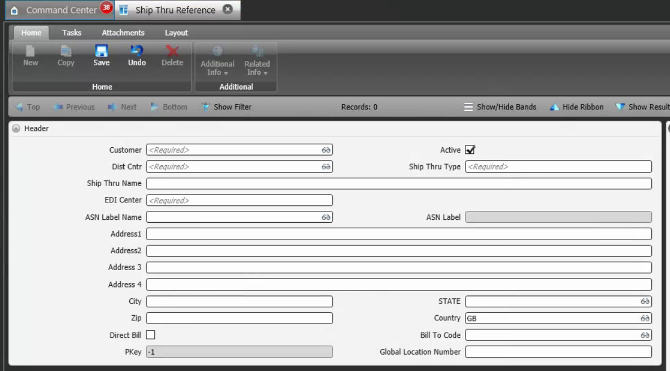
Reference Screen | Customer Ship Thru

